Foglio1
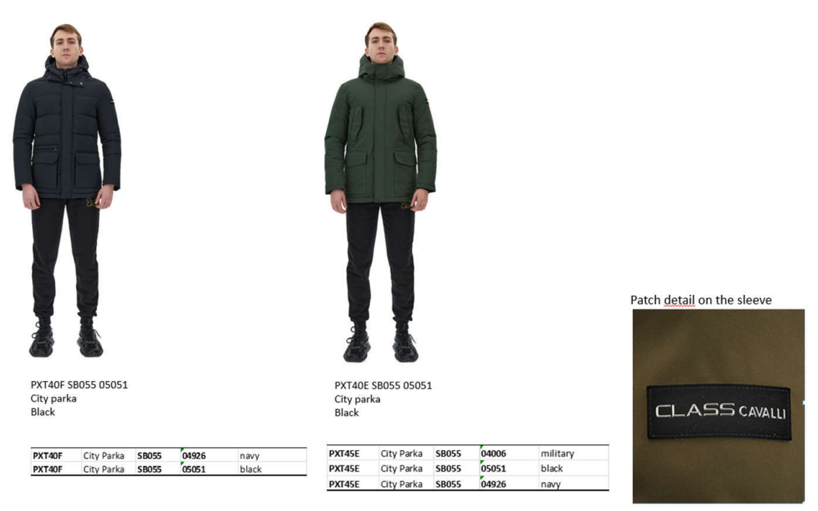

 |  | Colors | Retail | Quantità | Total Retail€
PXT40E | NAVYCITY PARKA | 4926 | 750 | 500 | 375000
PXT40E | NAVYCITY PARKA | 4926 | 750 | 500 | 375000
PXT40E | MILITARYCITY PARKA | 4006 | 750 | 252 | 189000
PXT40E | BLACKCITY PARKA | 5051 | 750 | 500 | 375000
PXT40F | NAVYCITY PARKA | 4926 | 800 | 500 | 400000
PXT40F | BLACKCITY PARKA | 5051 | 800 | 500 | 400000
 |  |  |  | 2752 | 2114000

